INDENTIFICATION
 | Document Type for Renusagar Project | SERVICE IDENTIFICATION | COMPONENT IDENTIFICATION
 | EN01= Engineering Documents and Drawings. | CPP= Complete plant (FGD & SAC)
 | QA01= QA Documents. | HSD= FGTR | AN= Booster Fan
 | QC01= Quality Control Document. | HTH= MCU(Flue gas cooling system) | AA= Valves
 | IP01= Inspection Test Plan. | HNE= Stack/ Chimney system | AY= Expansion joints
 | PS01= Work Method Statement/Procedures. | HTA= Flue gas ducting | BB= Tanks
 | MA01= Manual. | UVC= Structure for FGD | AT= Filtering unit
 | XF01= PFD Diagram. | UXA= Structure for External H2SO4 plant | AD= Spray nozzles for FGTR & MCU
 | XG01= P& I Diagram. | PBQ= Process water system | AP= Pump
 | TS01= Technical Specification. | RTQ= Waste water system | BQ= Hanger
 | MS01= Master Project Schedule. | HSC= Fan System | BY= Slider bearing
 | CS01= Cable Schedule. | GNK= Acid water system | BU= Insulation / Sheathing
 | VS01= Valve Schedule | SAC= Sulphuric acid plant | YY= Glass flake lining
 | PM01= Project management | UCA= Control Room Building FOR FGD | PA= Painting/PRIMER
 | IT01= information technology/Software | HSQ= Sprinkler system | AE= Lifting device
 | EE01= Engineering Issues | HSY= Control & instrumentation system | BR= Pipes
 |  | HSH= Separator or Mist Eliminator | AQ= Damper
 |  | UVX=Special structure (plant-specific- MCU) | YA= Air Conditioning/HVAC
 | RHS of Service will be marked as 10 |  | KA= Lighting material
 | LHS of Service will be marked as 20 |  | KP=Grounding Material
 |  |  | UC= CIVIL Materials
 |  |  | GK= PLC
 |  |  | GC= CONTROL CABLE
 |  |  | GE= POWER CABLES
 |  |  | GX= PMCC, MCC, ACDB and DCDB
 |  |  | MD= MOV
 |  |  | GF= Electrical/Control Cables and Glands
 |  |  | GD= CABLE TRAY
 |  |  | MA= MOTORS
 |  |  | GS= SWITCHGEAR
SAMPLE OF NUMBERING |  |  | GW= Electrical Panels and Junction Boxes
 |  |  | GH= LTMCC/SWITCHBOARD
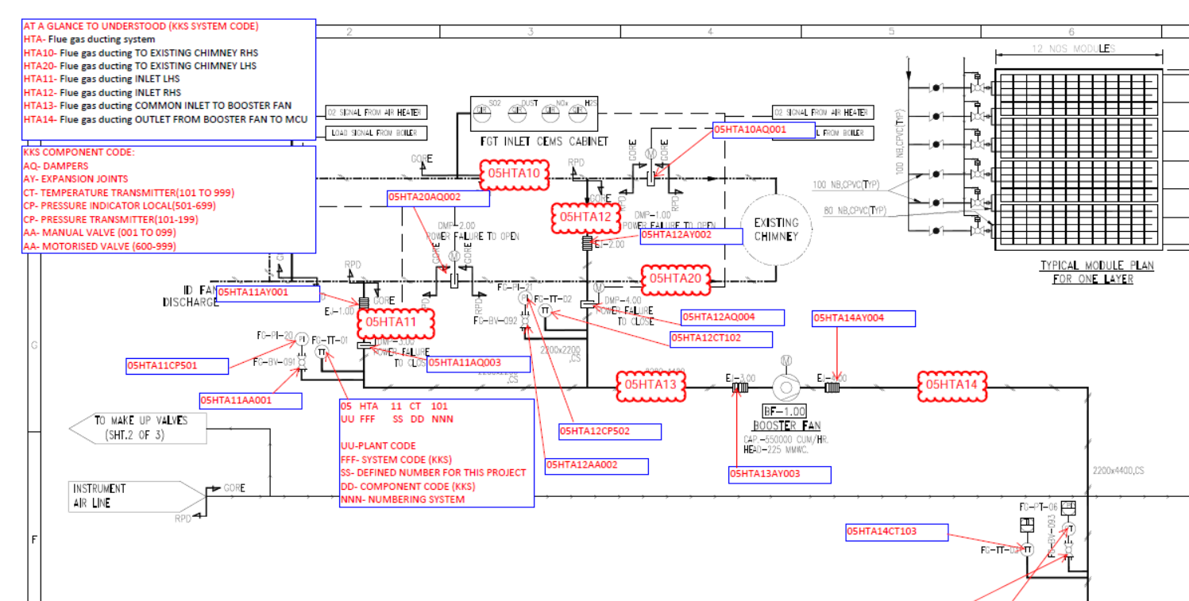
 |  |  | GU= UPS

